A22_2003
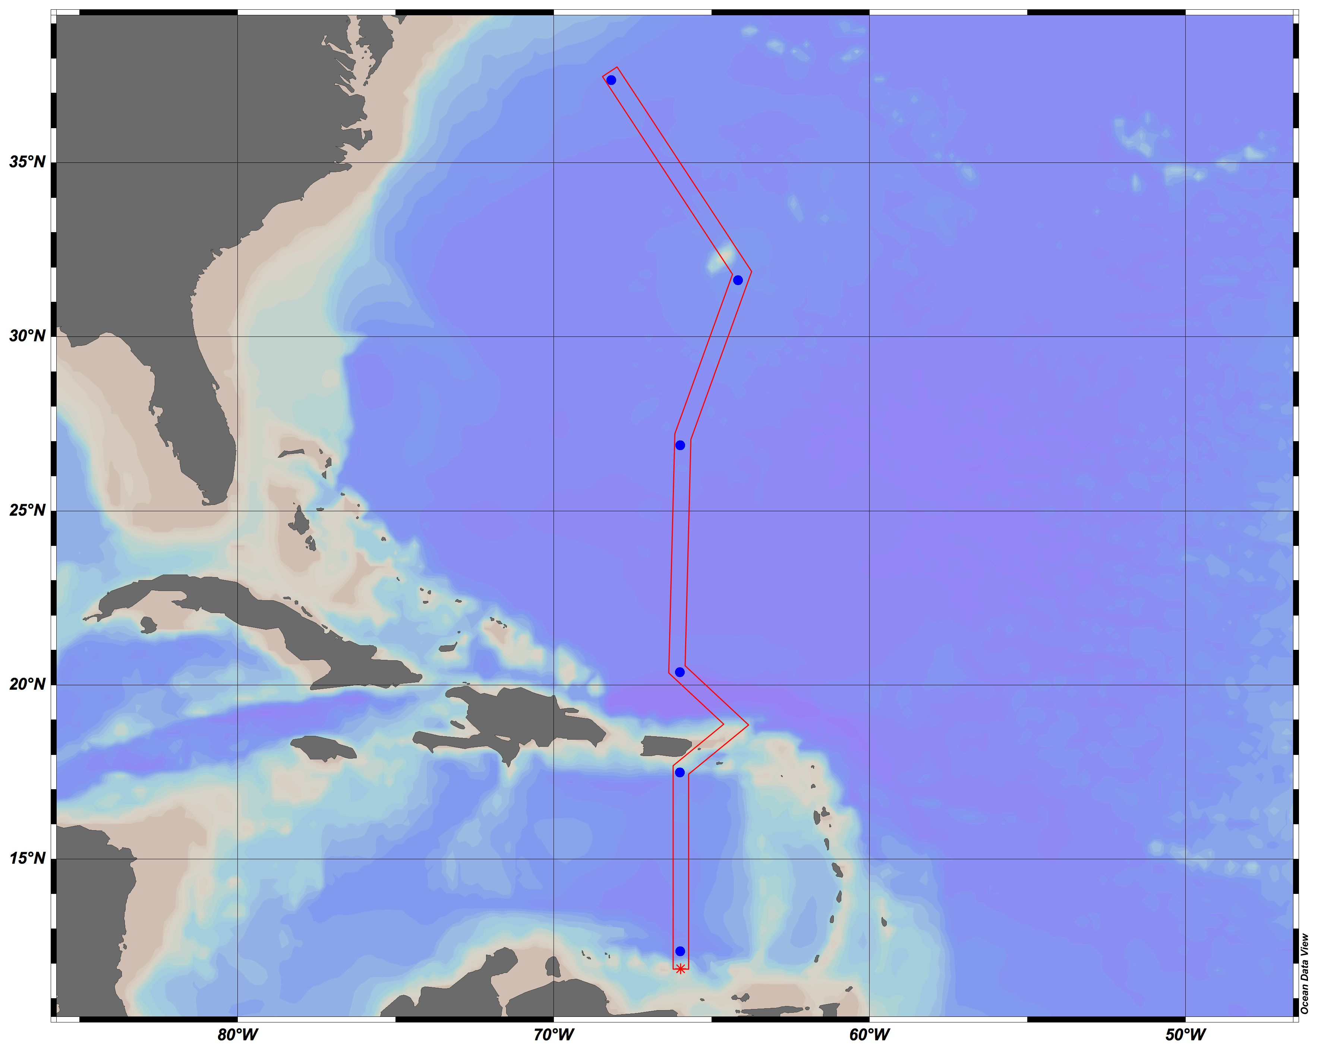
CRUISE | STATION | TYPE | yyyy-mm-ddThh:mm | Longitude [degrees_east] | Latitude [degrees_north] | BOT DEPTH [METERS] | CTDPRS [DBAR] | CAST TYPE | CAST NO | NISKIN | comments
A22 | 8 | B | 2003-10-25T14:21 | -65.9995 | 12.3535 | 4359 | 826.5 | -999 | 1 | 19
A22 | 8 | B | 2003-10-25T14:21 | -65.9995 | 12.3535 | 4359 | 451.5 | -999 | 1 | 22
A22 | 8 | B | 2003-10-25T14:21 | -65.9995 | 12.3535 | 4359 | 275.3 | -999 | 1 | 24
A22 | 8 | B | 2003-10-25T14:21 | -65.9995 | 12.3535 | 4359 | 175.5 | -999 | 1 | 26
A22 | 8 | B | 2003-10-25T14:21 | -65.9995 | 12.3535 | 4359 | 101.4 | -999 | 1 | 28
A22 | 8 | B | 2003-10-25T14:21 | -65.9995 | 12.3535 | 4359 | 75.5 | -999 | 1 | 29
A22 | 8 | B | 2003-10-25T14:21 | -65.9995 | 12.3535 | 4359 | 25.2 | -999 | 1 | 31
A22 | 8 | B | 2003-10-25T14:21 | -65.9995 | 12.3535 | 4359 | 3.1 | -999 | 1 | 33
A22 | 18 | B | 2003-10-28T07:11 | -66.006 | 17.494 | 3216 | 1650.7 | -999 | 1 | 12
A22 | 18 | B | 2003-10-28T07:11 | -66.006 | 17.494 | 3216 | 1060.7 | -999 | 1 | 16
A22 | 18 | B | 2003-10-28T07:11 | -66.006 | 17.494 | 3216 | 600.4 | -999 | 1 | 20
A22 | 18 | B | 2003-10-28T07:11 | -66.006 | 17.494 | 3216 | 300 | -999 | 1 | 23
A22 | 18 | B | 2003-10-28T07:11 | -66.006 | 17.494 | 3216 | 200.1 | -999 | 1 | 25
A22 | 18 | B | 2003-10-28T07:11 | -66.006 | 17.494 | 3216 | 100.2 | -999 | 1 | 28
A22 | 18 | B | 2003-10-28T07:11 | -66.006 | 17.494 | 3216 | 25.4 | -999 | 1 | 31
A22 | 36 | B | 2003-10-31T13:52 | -66.0127 | 20.3742 | 5797 | 5947.6 | -999 | 1 | 1
A22 | 36 | B | 2003-10-31T13:52 | -66.0127 | 20.3742 | 5797 | 5600.8 | -999 | 1 | 3
A22 | 36 | B | 2003-10-31T13:52 | -66.0127 | 20.3742 | 5797 | 4875.7 | -999 | 1 | 6
A22 | 36 | B | 2003-10-31T13:52 | -66.0127 | 20.3742 | 5797 | 3126.3 | -999 | 1 | 13
A22 | 36 | B | 2003-10-31T13:52 | -66.0127 | 20.3742 | 5797 | 950 | -999 | 1 | 24
A22 | 36 | B | 2003-10-31T13:52 | -66.0127 | 20.3742 | 5797 | 575.3 | -999 | 1 | 27
A22 | 36 | B | 2003-10-31T13:52 | -66.0127 | 20.3742 | 5797 | 274.3 | -999 | 1 | 30
A22 | 36 | B | 2003-10-31T13:52 | -66.0127 | 20.3742 | 5797 | 126.2 | -999 | 1 | 33
A22 | 36 | B | 2003-10-31T13:52 | -66.0127 | 20.3742 | 5797 | 75 | -999 | 1 | 34
A22 | 36 | B | 2003-10-31T13:52 | -66.0127 | 20.3742 | 5797 | 3.2 | -999 | 1 | 36
A22 | 46 | B | 2003-11-03T17:14 | -65.9982 | 26.886 | 4829 | 2000.2 | -999 | 1 | 13
A22 | 46 | B | 2003-11-03T17:14 | -65.9982 | 26.886 | 4829 | 1030.5 | -999 | 1 | 20
A22 | 46 | B | 2003-11-03T17:14 | -65.9982 | 26.886 | 4829 | 501 | -999 | 1 | 24
A22 | 46 | B | 2003-11-03T17:14 | -65.9982 | 26.886 | 4829 | 300.2 | -999 | 1 | 26
A22 | 46 | B | 2003-11-03T17:14 | -65.9982 | 26.886 | 4829 | 148 | -999 | 1 | 29
A22 | 46 | B | 2003-11-03T17:14 | -65.9982 | 26.886 | 4829 | 99.6 | -999 | 1 | 31
A22 | 46 | B | 2003-11-03T17:14 | -65.9982 | 26.886 | 4829 | 50 | -999 | 1 | 33
A22 | 46 | B | 2003-11-03T17:14 | -65.9982 | 26.886 | 4829 | 2.4 | -999 | 1 | 35
A22 | 54 | B | 2013-11-06T09:45 | -64.1663 | 31.6362 | 4550 | 1011.1 | -999 | 1 | 17
A22 | 54 | B | 2013-11-06T09:45 | -64.1663 | 31.6362 | 4550 | 506.1 | -999 | 1 | 22
A22 | 54 | B | 2013-11-06T09:45 | -64.1663 | 31.6362 | 4550 | 140.2 | -999 | 1 | 28
A22 | 54 | B | 2013-11-06T09:45 | -64.1663 | 31.6362 | 4550 | 39.8 | -999 | 1 | 33
A22 | 54 | B | 2013-11-06T09:45 | -64.1663 | 31.6362 | 4550 | 3.4 | -999 | 1 | 36
A22 | 54 | B | 2013-11-06T09:45 | -64.1663 | 31.6362 | 4550 | 100.8 | -999 | 1 | 30
A22 | 54 | B | 2013-11-06T09:45 | -64.1663 | 31.6362 | 4550 | 250.6 | -999 | 1 | 25
A22 | 68 | B | 2003-11-10T16:20 | -68.1838 | 37.3805 | 4750 | 1129.8 | -999 | 1 | 20
A22 | 68 | B | 2003-11-10T16:20 | -68.1838 | 37.3805 | 4750 | 550.8 | -999 | 1 | 24
A22 | 68 | B | 2003-11-10T16:20 | -68.1838 | 37.3805 | 4750 | 352 | -999 | 1 | 26
A22 | 68 | B | 2003-11-10T16:20 | -68.1838 | 37.3805 | 4750 | 224.8 | -999 | 1 | 28
A22 | 68 | B | 2003-11-10T16:20 | -68.1838 | 37.3805 | 4750 | 99.2 | -999 | 1 | 31
A22 | 68 | B | 2003-11-10T16:20 | -68.1838 | 37.3805 | 4750 | 50.3 | -999 | 1 | 33
A22 | 68 | B | 2003-11-10T16:20 | -68.1838 | 37.3805 | 4750 | 4 | -999 | 1 | 35

P16S_2005
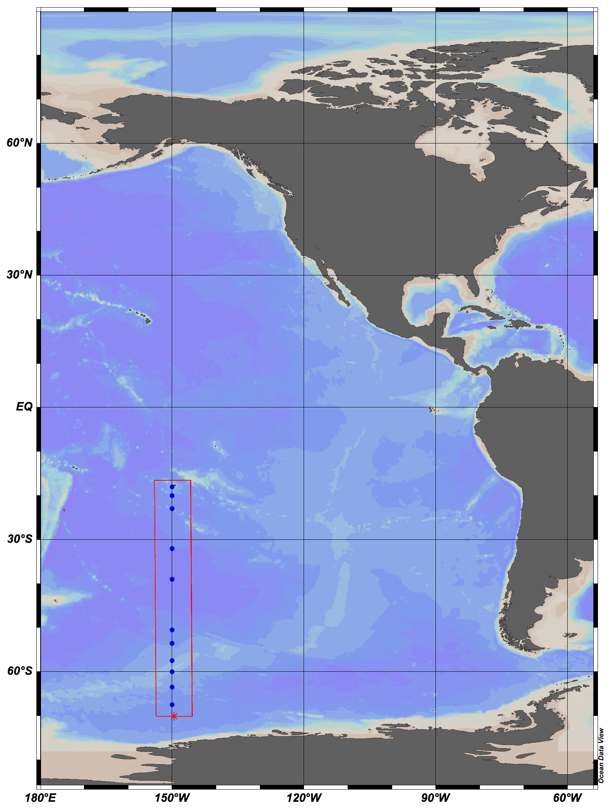
DNA_ID | CRUISE | STATION | TYPE | yyyy-mm-ddThh:mm | Longitude [degrees_east] | Latitude [degrees_north] | BOT DEPTH [METERS] | CTDPRS [DBAR] | CAST TYPE | CAST NO | NISKIN | comments
P16S-S05-N03 | P16S | 05 | B | 2005-01-11 | -150 | -18 | -999 | 440 | D (TRACE METAL) | -999 | 3 | extracted 1/21/05 MM
P16S-S05-N05 | P16S | 05 | B | 2005-01-11 | -150 | -18 | -999 | 220 | D (TRACE METAL) | -999 | 5 | extracted 1/21/05 MM
P16S-S05-N08 | P16S | 05 | B | 2005-01-11 | -150 | -18 | -999 | 90 | D (TRACE METAL) | -999 | 8 | extracted 1/21/05 MM
P16S-S05-N10 | P16S | 05 | B | 2005-01-11 | -150 | -18 | -999 | 55 | D (TRACE METAL) | -999 | 10 | extracted 1/21/05 MM
P16S-S05-N11 | P16S | 05 | B | 2005-01-11 | -150 | -18 | -999 | 35 | D (TRACE METAL) | -999 | 11 | extracted 1/21/05 MM
P16S-S05-N12 | P16S | 05 | B | 2005-01-11 | -150 | -18 | -999 | 20 | D (TRACE METAL) | -999 | 12 | extracted 1/21/05 MM
P16S-S05-N14 | P16S | 05 | B | 2005-01-11 | -150 | -18 | -999 | 170 | D (TRACE METAL) | -999 | 14 | extracted 1/21/05 MM
P16S-S05-N15 | P16S | 05 | B | 2005-01-11 | -150 | -18 | -999 | 120 | D (TRACE METAL) | -999 | 15 | extracted 1/21/05 MM
P16S-S9-N01 | P16S | 9 | B | 2005-01-12 | -150 | -20 | -999 | 250 | E | -999 | 1 | experiment cast
P16S-S9-N05 | P16S | 9 | B | 2005-01-12 | -150 | -20 | -999 | 0 | E | -999 | 5 | experiment cast
P16S-S15-N03 | P16S | 15 | B | 2005-01-13 | -150 | -23 | -999 | 485 | TRACE METAL | -999 | 3 | extracted 1/21/05 MM
P16S-S15-N05 | P16S | 15 | B | 2005-01-13 | -150 | -23 | -999 | 235 | TRACE METAL | -999 | 5 | extracted 1/21/05 MM
P16S-S15-N08 | P16S | 15 | B | 2005-01-13 | -150 | -23 | -999 | 105 | TRACE METAL | -999 | 8 | extracted 1/21/05 MM
P16S-S15-N09 | P16S | 15 | B | 2005-01-13 | -150 | -23 | -999 | 85 | TRACE METAL | -999 | 9 | extracted 1/21/05 MM
P16S-S15-N10 | P16S | 15 | B | 2005-01-13 | -150 | -23 | -999 | 65 | TRACE METAL | -999 | 10 | extracted 1/21/05 MM
P16S-S15-N11 | P16S | 15 | B | 2005-01-13 | -150 | -23 | -999 | 40 | TRACE METAL | -999 | 11 | extracted 1/21/05 MM
P16S-S15-N12 | P16S | 15 | B | 2005-01-13 | -150 | -23 | -999 | 20 | TRACE METAL | -999 | 12 | extracted 1/21/05 MM
P16S-S15-N15 | P16S | 15 | B | 2005-01-13 | -150 | -23 | -999 | 135 | TRACE METAL | -999 | 15 | extracted 1/21/05 MM
P16S-S33-N03 | P16S | 33 | B | 2005-01-18 | -150 | -32 | -999 | 485 | TRACE METAL | -999 | 3 | extracted 1/21/05 MM
P16S-S33-N05 | P16S | 33 | B | 2005-01-18 | -150 | -32 | -999 | 235 | TRACE METAL | -999 | 5 | extracted 1/21/05 MM
P16S-S33-N08 | P16S | 33 | B | 2005-01-18 | -150 | -32 | -999 | 105 | TRACE METAL | -999 | 8 | extracted 1/21/05 MM
P16S-S33-N09 | P16S | 33 | B | 2005-01-18 | -150 | -32 | -999 | 85 | TRACE METAL | -999 | 9 | extracted 1/21/05 MM
P16S-S33-N10 | P16S | 33 | B | 2005-01-18 | -150 | -32 | -999 | 65 | TRACE METAL | -999 | 10 | extracted 1/21/05 MM
P16S-S33-N11 | P16S | 33 | B | 2005-01-18 | -150 | -32 | -999 | 40 | TRACE METAL | -999 | 11 | extracted 1/21/05 MM
P16S-S33-N12 | P16S | 33 | B | 2005-01-18 | -150 | -32 | -999 | 20 | TRACE METAL | -999 | 12 | extracted 1/21/05 MM
P16S-S33-N15 | P16S | 33 | B | 2005-01-18 | -150 | -32 | -999 | 135 | TRACE METAL | -999 | 15 | extracted 1/21/05 MM
P16S-S47-N03 | P16S | 47 | B | 2005-01-22 | -150 | -39 | -999 | 470 | TRACE METAL | -999 | 3 | extracted 2/17/05 MM
P16S-S47-N04 | P16S | 47 | B | 2005-01-22 | -150 | -39 | -999 | 270 | TRACE METAL | -999 | 4 | extracted 2/17/05 MM
P16S-S47-N08 | P16S | 47 | B | 2005-01-22 | -150 | -39 | -999 | 90 | TRACE METAL | -999 | 8 | extracted 2/17/05 MM
P16S-S47-N09 | P16S | 47 | B | 2005-01-22 | -150 | -39 | -999 | 70 | TRACE METAL | -999 | 9 | extracted 2/17/05 MM
P16S-S47-N10 | P16S | 47 | B | 2005-01-22 | -150 | -39 | -999 | 55 | TRACE METAL | -999 | 10 | extracted 2/17/05 MM
P16S-S47-N12 | P16S | 47 | B | 2005-01-22 | -150 | -39 | -999 | 20 | TRACE METAL | -999 | 12 | extracted 2/17/05 MM
P16S-S47-N14 | P16S | 47 | B | 2005-01-22 | -150 | -39 | -999 | 170 | TRACE METAL | -999 | 14 | extracted 2/17/05 MM
P16S-S47-N15 | P16S | 47 | B | 2005-01-22 | -150 | -39 | -999 | 120 | TRACE METAL | -999 | 15 | extracted 2/17/05 MM
P16S-S70-N26 | P16S | 70 | B | 2005-01-30 | -149.9997 | -50.4993 | -999 | 500 | B | -999 | 26 | extracted 2/17/05 MM
P16S-S70-N28 | P16S | 70 | B | 2005-01-30 | -149.9997 | -50.4993 | -999 | 400 | B | -999 | 28 | extracted 2/17/05 MM
P16S-S70-N30 | P16S | 70 | B | 2005-01-30 | -149.9997 | -50.4993 | -999 | 300 | B | -999 | 30 | extracted 2/17/05 MM
P16S-S70-N32 | P16S | 70 | B | 2005-01-30 | -149.9997 | -50.4993 | -999 | 200 | B | -999 | 32 | extracted 2/17/05 MM
P16S-S70-N33 | P16S | 70 | B | 2005-01-30 | -149.9997 | -50.4993 | -999 | 150 | B | -999 | 33 | extracted 2/17/05 MM
P16S-S70-N34 | P16S | 70 | B | 2005-01-30 | -149.9997 | -50.4993 | -999 | 100 | B | -999 | 34 | extracted 2/17/05 MM
P16S-S70-N35 | P16S | 70 | B | 2005-01-30 | -149.9997 | -50.4993 | -999 | 50 | B | -999 | 35 | extracted 2/17/05 MM
P16S-S70-N36 | P16S | 70 | B | 2005-01-30 | -149.9997 | -50.4993 | -999 | 0 | B | -999 | 36 | extracted 2/17/05 MM
P16S-S76-N26 | P16S | 76 | B | 2005-02-01 | -149.9967 | -53.4995 | -999 | 450 | B | -999 | 26 | extracted 2/17/05 MM
P16S-S76-N28 | P16S | 76 | B | 2005-02-01 | -149.9967 | -53.4995 | -999 | 350 | B | -999 | 28 | extracted 2/17/05 MM
P16S-S76-N30 | P16S | 76 | B | 2005-02-01 | -149.9967 | -53.4995 | -999 | 250 | B | -999 | 30 | extracted 2/17/05 MM
P16S-S76-N32 | P16S | 76 | B | 2005-02-01 | -149.9967 | -53.4995 | -999 | 150 | B | -999 | 32 | extracted 2/17/05 MM
P16S-S76-N33 | P16S | 76 | B | 2005-02-01 | -149.9967 | -53.4995 | -999 | 100 | B | -999 | 33 | extracted 2/17/05 MM
P16S-S76-N34 | P16S | 76 | B | 2005-02-01 | -149.9967 | -53.4995 | -999 | 85 | B | -999 | 34 | extracted 2/17/05 MM
P16S-S76-N35 | P16S | 76 | B | 2005-02-01 | -149.9967 | -53.4995 | -999 | 50 | B | -999 | 35 | extracted 2/17/05 MM
P16S-S76-N36 | P16S | 76 | B | 2005-02-01 | -149.9967 | -53.4995 | -999 | 0 | B | -999 | 36 | extracted 2/17/05 MM
P16S-S84-N20 | P16S | 84 | B | 2005-02-03 | -150.0013 | -57.5007 | -999 | 485 | B | -999 | 20 | extracted 2/17/05 MM
P16S-S84-N22 | P16S | 84 | B | 2005-02-03 | -150.0013 | -57.5007 | -999 | 385 | B | -999 | 22 | extracted 2/17/05 MM
P16S-S84-N24 | P16S | 84 | B | 2005-02-03 | -150.0013 | -57.5007 | -999 | 285 | B | -999 | 24 | extracted 2/17/05 MM
P16S-S84-N26 | P16S | 84 | B | 2005-02-03 | -150.0013 | -57.5007 | -999 | 185 | B | -999 | 26 | extracted 2/17/05 MM
P16S-S84-N27 | P16S | 84 | B | 2005-02-03 | -150.0013 | -57.5007 | -999 | 135 | B | -999 | 27 | extracted 2/17/05 MM
P16S-S84-N28 | P16S | 84 | B | 2005-02-03 | -150.0013 | -57.5007 | -999 | 85 | B | -999 | 28 | extracted 2/17/05 MM
P16S-S84-N29 | P16S | 84 | B | 2005-02-03 | -150.0013 | -57.5007 | -999 | 70 | B | -999 | 29 | extracted 2/17/05 MM
P16S-S84-N31 | P16S | 84 | B | 2005-02-03 | -150.0013 | -57.5007 | -999 | 0 | B | -999 | 31 | extracted 2/17/05 MM
P16S-S90-N20 | P16S | 90 | B | 2005-02-04 | -150 | -60 | -999 | 485 | D | -999 | 20 | extracted 2/17/05 MM
P16S-S90-N22 | P16S | 90 | B | 2005-02-04 | -150 | -60 | -999 | 385 | D | -999 | 22 | extracted 2/17/05 MM
P16S-S90-N24 | P16S | 90 | B | 2005-02-04 | -150 | -60 | -999 | 285 | D | -999 | 24 | extracted 2/17/05 MM
P16S-S90-N26 | P16S | 90 | B | 2005-02-04 | -150 | -60 | -999 | 185 | D | -999 | 26 | extracted 2/17/05 MM
P16S-S90-N27 | P16S | 90 | B | 2005-02-04 | -150 | -60 | -999 | 135 | D | -999 | 27 | extracted 2/17/05 MM
P16S-S90-N28 | P16S | 90 | B | 2005-02-04 | -150 | -60 | -999 | 85 | D | -999 | 28 | extracted 2/17/05 MM
P16S-S90-N29 | P16S | 90 | B | 2005-02-04 | -150 | -60 | -999 | 40 | D | -999 | 29 | extracted 2/17/05 MM
P16S-S90-N30 | P16S | 90 | B | 2005-02-04 | -150 | -60 | -999 | 0 | D | -999 | 30 | extracted 2/17/05 MM
P16S-S96-N18 | P16S | 96 | B | 2005-02-06 | -149.997 | -63.499 | -999 | 470 | B | -999 | 18 | extracted 2/17/05 MM
P16S-S96-N20 | P16S | 96 | B | 2005-02-06 | -149.997 | -63.499 | -999 | 285 | B | -999 | 20 | extracted 2/17/05 MM
P16S-S96-N23 | P16S | 96 | B | 2005-02-06 | -149.997 | -63.499 | -999 | 160 | B | -999 | 23 | extracted 2/17/05 MM
P16S-S96-N24 | P16S | 96 | B | 2005-02-06 | -149.997 | -63.499 | -999 | 130 | B | -999 | 24 | extracted 2/17/05 MM
P16S-S96-N25 | P16S | 96 | B | 2005-02-06 | -149.997 | -63.499 | -999 | 85 | B | -999 | 25 | extracted 2/17/05 MM
P16S-S96-N26 | P16S | 96 | B | 2005-02-06 | -149.997 | -63.499 | -999 | 60 | B | -999 | 26 | extracted 2/17/05 MM
P16S-S96-N27 | P16S | 96 | B | 2005-02-06 | -149.997 | -63.499 | -999 | 40 | B | -999 | 27 | extracted 2/17/05 MM
P16S-S96-N28 | P16S | 96 | B | 2005-02-06 | -149.997 | -63.499 | -999 | 0 | B | -999 | 28 | extracted 2/17/05 MM. lost ~200mL during filtering, filter off center
P16S-S104-N21 | P16S | 104 | B | 2005-02-08 | -150 | -67.5007 | -999 | 420 | D | -999 | 21 | extracted 2/17/05 MM
P16S-S104-N23 | P16S | 104 | B | 2005-02-08 | -150 | -67.5007 | -999 | 320 | D | -999 | 23 | extracted 2/17/05 MM
P16S-S104-N25 | P16S | 104 | B | 2005-02-08 | -150 | -67.5007 | -999 | 220 | D | -999 | 25 | extracted 2/17/05 MM
P16S-S104-N27 | P16S | 104 | B | 2005-02-08 | -150 | -67.5007 | -999 | 120 | D | -999 | 27 | extracted 2/17/05 MM
P16S-S104-N28 | P16S | 104 | B | 2005-02-08 | -150 | -67.5007 | -999 | 90 | D | -999 | 28 | extracted 2/17/05 MM
P16S-S104-N29 | P16S | 104 | B | 2005-02-08 | -150 | -67.5007 | -999 | 55 | D | -999 | 29 | extracted 2/17/05 MM
P16S-S104-N30 | P16S | 104 | B | 2005-02-08 | -150 | -67.5007 | -999 | 35 | D | -999 | 30 | extracted 2/17/05 MM
P16S-S104-N31 | P16S | 104 | B | 2005-02-08 | -150 | -67.5007 | -999 | 0 | D | -999 | 31 | extracted 2/17/05 MM

P16N 2006
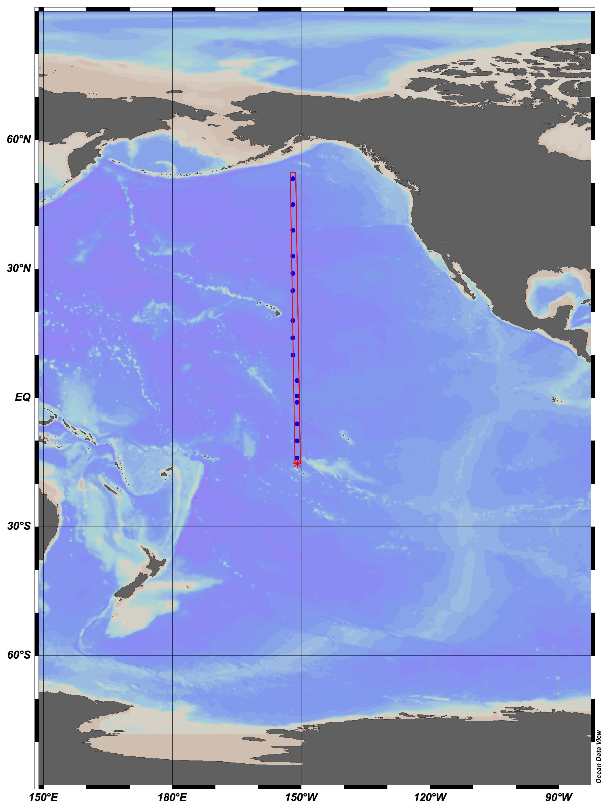
DNA_ID | CRUISE | STATION | TYPE | yyyy-mm-ddThh:mm | Longitude [degrees_east] | Latitude [degrees_north] | BOT DEPTH [METERS] | CTDPRS[DBARS] | CTDTMP[ITS-90] | CTDSAL[PSS-78] | CAST TYPE | CAST NO | NISKIN | comments
P16N-S02-N01 | P16N | 02 | B | -999 | -999 | -999 | -999 | -999 | -999 | -999 | TRACE METALS | 1 | 1 | station not listed on TM bottle file….maybe test station?
P16N-S02-N03 | P16N | 02 | B | -999 | -999 | -999 | -999 | -999 | -999 | -999 | TRACE METALS | 1 | 3 | station not listed on TM bottle file….maybe test station?
P16N-S02-N04 | P16N | 02 | B | -999 | -999 | -999 | -999 | -999 | -999 | -999 | TRACE METALS | 1 | 4 | station not listed on TM bottle file….maybe test station?
P16N-S02-N05 | P16N | 02 | B | -999 | -999 | -999 | -999 | -999 | -999 | -999 | TRACE METALS | 1 | 5 | station not listed on TM bottle file….maybe test station?
P16N-S02-N06 | P16N | 02 | B | -999 | -999 | -999 | -999 | -999 | -999 | -999 | TRACE METALS | 1 | 6 | station not listed on TM bottle file….maybe test station?
P16N-S02-N08 | P16N | 02 | B | -999 | -999 | -999 | -999 | -999 | -999 | -999 | TRACE METALS | 1 | 8 | station not listed on TM bottle file….maybe test station?
P16N-S04-N12 | P16N | 04 | B | 2006-02-15 | -151.0009 | -14.0001 | 4286 | 23.6 | 29.1665 | 36.1183 | TRACE METALS | 3 | 12 | TM12/DNA1
P16N-S04-N11 | P16N | 04 | B | 2006-02-15 | -151.0009 | -14.0002 | 4286 | 42.8 | 29.0668 | 36.1417 | TRACE METALS | 3 | 11 | TM11/DNA2
P16N-S04-N08 | P16N | 04 | B | 2006-02-15 | -151.0009 | -14.0002 | 4286 | 104.2 | 27.9785 | 36.2407 | TRACE METALS | 3 | 8 | TM8/DNA3
P16N-S04-N06 | P16N | 04 | B | 2006-02-15 | -151.0009 | -14.0002 | 4286 | 157.2 | 24.9995 | 36.3531 | TRACE METALS | 3 | 6 | TM6/DNA4
P16N-S04-N05 | P16N | 04 | B | 2006-02-15 | -151.0009 | -14.0002 | 4286 | 204.7 | 22.6075 | 36.1251 | TRACE METALS | 3 | 5 | TM5/DNA5
P16N-S04-N04 | P16N | 04 | B | 2006-02-15 | -151.0009 | -14.0002 | 4286 | 256.5 | 19.3434 | 35.626 | TRACE METALS | 3 | 4 | TM4/DNA6
P16N-S04-N02 | P16N | 04 | B | 2006-02-15 | -151.0009 | -14.0002 | 4286 | 708.3 | 5.5264 | 34.4619 | TRACE METALS | 3 | 2 | TM2/DNA7
P16N-S04-N01 | P16N | 04 | B | 2006-02-15 | -151.0009 | -14.0002 | 4286 | 1009.3 | 4.1326 | 34.5166 | TRACE METALS | 3 | 1 | TM1/DNA8
P16N-S08-N03 | P16N | 08 | B | 2006-02-17 | -151 | -10 | 4649 | 504.9 | 7.5063 | 34.5843 | TRACE METALS | 1 | 3
P16N-S08-N04 | P16N | 08 | B | 2006-02-17 | -151 | -10 | 4646 | 252.6 | 16.4869 | 35.2401 | TRACE METALS | 1 | 4
P16N-S08-N05 | P16N | 08 | B | 2006-02-17 | -151 | -10 | 4647 | 203.3 | 20.6876 | 35.8367 | TRACE METALS | 1 | 5
P16N-S08-N06 | P16N | 08 | B | 2006-02-17 | -151 | -10 | 4648 | 153.8 | 23.6486 | 36.2918 | TRACE METALS | 1 | 6
P16N-S08-N08 | P16N | 08 | B | 2006-02-17 | -151 | -10 | 4648 | 103.7 | 27.3231 | 36.3596 | TRACE METALS | 1 | 8
P16N-S08-N11 | P16N | 08 | B | 2006-02-17 | -151 | -10 | 4648 | 36.7 | 29.1895 | 35.9801 | TRACE METALS | 1 | 11
P16N-S08-N12 | P16N | 08 | B | 2006-02-17 | -150.9999 | -10 | 4648 | 22 | 29.2148 | 35.9776 | TRACE METALS | 1 | 12
P16N-S12-N01 | P16N | 12 | B | 2006-02-19 | -151 | -6 | 5031 | 1010.1 | 4.3718 | 34.5491 | TRACE METALS | 3 | 1
P16N-S12-N03 | P16N | 12 | B | 2006-02-19 | -151 | -6.0001 | 5030 | 506.3 | 8.3303 | 34.6424 | TRACE METALS | 3 | 3
P16N-S12-N04 | P16N | 12 | B | 2006-02-19 | -151 | -6 | 5030 | 256.6 | 12.5592 | 34.9346 | TRACE METALS | 3 | 4
P16N-S12-N05 | P16N | 12 | B | 2006-02-19 | -151 | -6 | 5030 | 207.5 | 15.4185 | 35.1865 | TRACE METALS | 3 | 5
P16N-S12-N06 | P16N | 12 | B | 2006-02-19 | -151 | -6 | 5030 | 157.2 | 19.3276 | 35.5736 | TRACE METALS | 3 | 6
P16N-S12-N08 | P16N | 12 | B | 2006-02-19 | -151 | -6 | 5030 | 103.9 | 27.14 | 36.245 | TRACE METALS | 3 | 8
P16N-S12-N11 | P16N | 12 | B | 2006-02-19 | -151 | -6 | 5030 | 36.8 | 27.9745 | 35.7597 | TRACE METALS | 3 | 11
P16N-S12-N12 | P16N | 12 | B | 2006-02-19 | -151 | -6 | 5030 | 20.9 | 27.9902 | 35.7626 | TRACE METALS | 3 | 12
P16N-S18-N01 | P16N | 18 | B | 2006-02-21 | -150.9953 | -0.997 | 4685 | 1009.3 | 4.6105 | 34.5506 | TRACE METALS | 2 | 1
P16N-S18-N03 | P16N | 18 | B | 2006-02-21 | -150.9934 | -0.996 | 4685 | 506.2 | 7.2386 | 34.5868 | TRACE METALS | 2 | 3
P16N-S18-N04 | P16N | 18 | B | 2006-02-21 | -150.9925 | -0.9957 | 4683 | 252.4 | 12.0611 | 34.8757 | TRACE METALS | 2 | 4
P16N-S18-N05 | P16N | 18 | B | 2006-02-21 | -150.9923 | -0.9956 | 4682 | 205.3 | 12.9024 | 34.9658 | TRACE METALS | 2 | 5
P16N-S18-N06 | P16N | 18 | B | 2006-02-21 | -150.9921 | -0.9954 | 4682 | 154.1 | 15.67 | 35.2601 | TRACE METALS | 2 | 6
P16N-S18-N08 | P16N | 18 | B | 2006-02-21 | -150.9917 | -0.9953 | 4682 | 103 | 21.0054 | 35.6019 | TRACE METALS | 2 | 8
P16N-S18-N11 | P16N | 18 | B | 2006-02-21 | -150.9911 | -0.995 | 4682 | 38.2 | 25.6715 | 35.2952 | TRACE METALS | 2 | 11
P16N-S18-N12 | P16N | 18 | B | 2006-02-21 | -150.991 | -0.995 | 4682 | 23.6 | 25.7973 | 35.2903 | TRACE METALS | 2 | 12
P16N-S21-N01 | P16N | 21 | B | 2006-02-22 | -150.9888 | 0.5002 | 3462 | 958.7 | 4.5302 | 34.5556 | TRACE METALS | 3 | 1
P16N-S21-N03 | P16N | 21 | B | 2006-02-22 | -150.9858 | 0.5001 | 3523 | 554.9 | 7.5466 | 34.5983 | TRACE METALS | 3 | 3
P16N-S21-N04 | P16N | 21 | B | 2006-02-22 | -150.9838 | 0.5002 | 3513 | 276.5 | 11.9957 | 34.8578 | TRACE METALS | 3 | 4
P16N-S21-N05 | P16N | 21 | B | 2006-02-22 | -150.9835 | 0.5002 | 3514 | 229.2 | 12.3524 | 34.8793 | TRACE METALS | 3 | 5
P16N-S21-N06 | P16N | 21 | B | 2006-02-22 | -150.9829 | 0.5001 | 3519 | 182.7 | 12.9556 | 34.9322 | TRACE METALS | 3 | 6
P16N-S21-N08 | P16N | 21 | B | 2006-02-22 | -150.9819 | 0.5002 | 3528 | 113.9 | 16.8726 | 34.9688 | TRACE METALS | 3 | 8
P16N-S21-N11 | P16N | 21 | B | 2006-02-22 | -150.9808 | 0.5002 | 3538 | 43.8 | 24.3702 | 35.1647 | TRACE METALS | 3 | 11
P16N-S21-N12 | P16N | 21 | B | 2006-02-22 | -150.9806 | 0.5002 | 3538 | 26.2 | 25.1392 | 35.2793 | TRACE METALS | 3 | 12
P16N-S26-N01 | P16N | 26 | B | 2006-02-23 | -150.999 | 3.9999 | 5049 | 1007.9 | 4.3898 | 34.5623 | TRACE METALS | 3 | 1
P16N-S26-N03 | P16N | 26 | B | 2006-02-23 | -150.999 | 3.9999 | 5049 | 504.7 | 7.3402 | 34.5818 | TRACE METALS | 3 | 3
P16N-S26-N04 | P16N | 26 | B | 2006-02-23 | -150.999 | 3.9999 | 5049 | 254.6 | 9.7302 | 34.6629 | TRACE METALS | 3 | 4
P16N-S26-N05 | P16N | 26 | B | 2006-02-23 | -150.999 | 3.9999 | 5049 | 202.8 | 10.4547 | 34.6608 | TRACE METALS | 3 | 5
P16N-S26-N06 | P16N | 26 | B | 2006-02-23 | -150.999 | 3.9999 | 5049 | 152.9 | 12.9504 | 34.6101 | TRACE METALS | 3 | 6
P16N-S26-N08 | P16N | 26 | B | 2006-02-23 | -150.999 | 3.9999 | 5049 | 102.2 | 21.343 | 34.8572 | TRACE METALS | 3 | 8
P16N-S26-N11 | P16N | 26 | B | 2006-02-23 | -150.999 | 3.9999 | 5049 | 37.6 | 26.9696 | 34.8899 | TRACE METALS | 3 | 11
P16N-S26-N12 | P16N | 26 | B | 2006-02-23 | -150.999 | 3.9999 | 5049 | 22.4 | 27.0191 | 34.8892 | TRACE METALS | 3 | 12
P16N-S32-N01 | P16N | 32 | B | 2006-02-26 | -151.9402 | 10.0002 | 5143 | 962.2 | 4.7577 | 34.5486 | TRACE METALS | 1 | 1
P16N-S32-N03 | P16N | 32 | B | 2006-02-26 | -151.9402 | 10.0002 | 5068 | 504.8 | 8.3341 | 34.595 | TRACE METALS | 1 | 3
P16N-S32-N04 | P16N | 32 | B | 2006-02-26 | -151.9402 | 10.0002 | 5931 | 408.9 | 9.3462 | 34.6512 | TRACE METALS | 1 | 4
P16N-S32-N05 | P16N | 32 | B | 2006-02-26 | -151.9402 | 10.0002 | 5043 | 254.8 | 10.5624 | 34.7089 | TRACE METALS | 1 | 5
P16N-S32-N06 | P16N | 32 | B | 2006-02-26 | -151.9402 | 10.0002 | 4479 | 159 | 11.4585 | 34.7131 | TRACE METALS | 1 | 6
P16N-S32-N08 | P16N | 32 | B | 2006-02-26 | -151.9402 | 10.0002 | 5011 | 107.3 | 12.9248 | 34.6261 | TRACE METALS | 1 | 8
P16N-S32-N11 | P16N | 32 | B | 2006-02-26 | -151.9402 | 10.0002 | 5167 | 41.4 | 26.2071 | 34.5373 | TRACE METALS | 1 | 11
P16N-S32-N12 | P16N | 32 | B | 2006-02-26 | -151.9402 | 10.0002 | 5179 | 22 | 26.7362 | 34.6508 | TRACE METALS | 1 | 12
P16N-S36-N01 | P16N | 36 | B | 2006-02-27 | -152.0018 | 13.9987 | 5661 | 959.3 | 4.5345 | 34.5347 | TRACE METALS | 1 | 1
P16N-S36-N03 | P16N | 36 | B | 2006-02-27 | -152.0018 | 13.9987 | 5652 | 556.8 | 6.9809 | 34.5198 | TRACE METALS | 1 | 3
P16N-S36-N04 | P16N | 36 | B | 2006-02-27 | -152.0017 | 13.9987 | 5645 | 278.9 | 9.6163 | 34.464 | TRACE METALS | 1 | 4
P16N-S36-N05 | P16N | 36 | B | 2006-02-27 | -152.0017 | 13.9987 | 5644 | 227.6 | 10.0324 | 34.3468 | TRACE METALS | 1 | 5
P16N-S36-N06 | P16N | 36 | B | 2006-02-27 | -152.0018 | 13.9987 | 5701 | 175.9 | 12.2249 | 34.1428 | TRACE METALS | 1 | 6
P16N-S36-N08 | P16N | 36 | B | 2006-02-27 | -152.0018 | 13.9987 | 5697 | 109 | 20.3843 | 34.568 | TRACE METALS | 1 | 8
P16N-S36-N11 | P16N | 36 | B | 2006-02-27 | -152.0018 | 13.9987 | 5711 | 42 | 25.9004 | 34.365 | TRACE METALS | 1 | 11
P16N-S36-N12 | P16N | 36 | B | 2006-02-27 | -152.0017 | 13.9988 | 5613 | 20.8 | 25.905 | 34.3617 | TRACE METALS | 1 | 12
P16N-S40-N01 | P16N | 40 | B | 2006-03-01 | -152 | 18 | 5079 | 550.2 | 6.3277 | 34.326 | TRACE METALS | 2 | 1
P16N-S40-N02 | P16N | 40 | B | 2006-03-01 | -152 | 18 | 5079 | 275.2 | 14.9487 | 34.3731 | TRACE METALS | 2 | 2
P16N-S40-N03 | P16N | 40 | B | 2006-03-01 | -152 | 18 | 5079 | 221.2 | 14.9487 | 34.3944 | TRACE METALS | 2 | 3
P16N-S40-N04 | P16N | 40 | B | 2006-03-01 | -152 | 18 | 5079 | 179.1 | 19.2217 | 34.8762 | TRACE METALS | 2 | 4
P16N-S40-N05 | P16N | 40 | B | 2006-03-01 | -152 | 18 | 5079 | 143.6 | 21.4876 | 35.0373 | TRACE METALS | 2 | 5
P16N-S40-N06 | P16N | 40 | B | 2006-03-01 | -152 | 18 | 5078 | 114.1 | 23.5951 | 34.9536 | TRACE METALS | 2 | 6
P16N-S40-N09 | P16N | 40 | B | 2006-03-01 | -152 | 18 | 5079 | 47.1 | 23.7192 | 34.6042 | TRACE METALS | 2 | 9
P16N-S40-N10 | P16N | 40 | B | 2006-03-01 | -152 | 18 | 5079 | 24.4 | 23.7481 | 34.5319 | TRACE METALS | 2 | 10
P16N-S47-N01 | P16N | 47 | B | 2006-03-14 | -152.0001 | 24.9995 | 5361 | 957.4 | 4.1034 | 34.3907 | TRACE METALS | 3 | 1
P16N-S47-N03 | P16N | 47 | B | 2006-03-14 | -152.0001 | 24.9995 | 5345 | 553.6 | 7.0714 | 34.0345 | TRACE METALS | 3 | 3
P16N-S47-N05 | P16N | 47 | B | 2006-03-14 | -152.0001 | 24.9995 | 5361 | 228.7 | 16.8565 | 34.6948 | TRACE METALS | 3 | 5
P16N-S47-N06 | P16N | 47 | B | 2006-03-14 | -152.0001 | 24.9995 | 5360 | 177.4 | 19.2358 | 34.9562 | TRACE METALS | 3 | 6
P16N-S47-N08 | P16N | 47 | B | 2006-03-14 | -152.0001 | 24.9995 | 5360 | 106.4 | 21.9777 | 35.2906 | TRACE METALS | 3 | 8
P16N-S47-N11 | P16N | 47 | B | 2006-03-14 | -152.0001 | 24.9995 | 5371 | 40.2 | 22.023 | 35.2847 | TRACE METALS | 3 | 11
P16N-S47-N12 | P16N | 47 | B | 2006-03-14 | -152.0001 | 24.9995 | 5373 | 19.9 | 22.0173 | 35.2853 | TRACE METALS | 3 | 12
P16N-S51-N01 | P16N | 51 | B | 2006-03-15 | -151.9986 | 28.9939 | 5596 | 959.1 | 3.7933 | 34.3497 | TRACE METALS | 3 | 1
P16N-S51-N03 | P16N | 51 | B | 2006-03-15 | -151.9981 | 28.993 | 5508 | 553.5 | 6.5185 | 33.9976 | TRACE METALS | 3 | 3
P16N-S51-N04 | P16N | 51 | B | 2006-03-15 | -151.9976 | 28.992 | 5596 | 278.5 | 12.2716 | 34.2382 | TRACE METALS | 3 | 4
P16N-S51-N05 | P16N | 51 | B | 2006-03-15 | -151.9977 | 28.9919 | 5600 | 226.3 | 14.2173 | 34.3915 | TRACE METALS | 3 | 5
P16N-S51-N06 | P16N | 51 | B | 2006-03-15 | -151.9976 | 28.9919 | 5599 | 179.3 | 16.7912 | 34.6576 | TRACE METALS | 3 | 6
P16N-S51-N08 | P16N | 51 | B | 2006-03-15 | -151.9976 | 28.9917 | 5597 | 107.2 | 19.2723 | 35.1755 | TRACE METALS | 3 | 8
P16N-S51-N11 | P16N | 51 | B | 2006-03-15 | -151.9976 | 28.9916 | 5596 | 40.2 | 19.9067 | 35.2697 | TRACE METALS | 3 | 11
P16N-S51-N12 | P16N | 51 | B | 2006-03-15 | -151.9976 | 28.9915 | 5596 | 21 | 19.9297 | 35.2698 | TRACE METALS | 3 | 12
P16N-S55-N01 | P16N | 55 | B | 2006-03-17 | -152 | 32.9997 | 5372 | 960.2 | 3.53 | 34.3069 | TRACE METALS | 3 | 1
P16N-S55-N03 | P16N | 55 | B | 2006-03-17 | -152 | 32.9997 | 5372 | 557.4 | 5.972 | 33.9822 | TRACE METALS | 3 | 3
P16N-S55-N04 | P16N | 55 | B | 2006-03-17 | -152 | 32.9997 | 5372 | 278.1 | 10.5871 | 34.1486 | TRACE METALS | 3 | 4
P16N-S55-N05 | P16N | 55 | B | 2006-03-17 | -152 | 32.9997 | 5372 | 227.3 | 11.4247 | 34.224 | TRACE METALS | 3 | 5
P16N-S55-N06 | P16N | 55 | B | 2006-03-17 | -152 | 32.9997 | 5372 | 178.8 | 12.3641 | 34.2394 | TRACE METALS | 3 | 6
P16N-S55-N08 | P16N | 55 | B | 2006-03-17 | -152 | 32.9997 | 5372 | 108.8 | 15.1777 | 34.4619 | TRACE METALS | 3 | 8
P16N-S55-N11 | P16N | 55 | B | 2006-03-17 | -152 | 32.9997 | 5372 | 43.4 | 17.0557 | 34.789 | TRACE METALS | 3 | 11
P16N-S55-N12 | P16N | 55 | B | 2006-03-17 | -152 | 32.9997 | 5372 | 21.7 | 17.4776 | 34.8586 | TRACE METALS | 3 | 12
P16N-S61-N01 | P16N | 61 | B | 2006-03-20 | -152 | 39 | 5779 | 1008.7 | 3.2747 | 34.3081 | TRACE METALS | 1 | 1
P16N-S61-N03 | P16N | 61 | B | 2006-03-20 | -152 | 39 | 5777 | 505.9 | 5.8247 | 33.9631 | TRACE METALS | 1 | 3
P16N-S61-N04 | P16N | 61 | B | 2006-03-20 | -152 | 39 | 5782 | 254.9 | 9.3365 | 34.0623 | TRACE METALS | 1 | 4
P16N-S61-N05 | P16N | 61 | B | 2006-03-20 | -152 | 39 | 5777 | 203.3 | 10.0966 | 34.089 | TRACE METALS | 1 | 5
P16N-S61-N06 | P16N | 61 | B | 2006-03-20 | -152 | 39 | 5781 | 154.5 | 10.9078 | 34.0197 | TRACE METALS | 1 | 6
P16N-S61-N08 | P16N | 61 | B | 2006-03-20 | -152 | 39 | 5778 | 104.7 | 11.9518 | 33.6524 | TRACE METALS | 1 | 8
P16N-S61-N11 | P16N | 61 | B | 2006-03-20 | -152 | 39 | 5777 | 38.3 | 12.017 | 33.6642 | TRACE METALS | 1 | 11
P16N-S61-N12 | P16N | 61 | B | 2006-03-20 | -152 | 39 | 5777 | 24.9 | 12.0157 | 33.6597 | TRACE METALS | 1 | 12
P16N-S66-N01 | P16N | 66 | B | 2006-03-24 | -152.0004 | 45.0022 | 5281 | 1013.6 | 3.0835 | 34.3435 | TRACE METALS | 3 | 1
P16N-S66-N03 | P16N | 66 | B | 2006-03-24 | -152.0005 | 45.0022 | 5277 | 505.3 | 4.5122 | 34.0284 | TRACE METALS | 3 | 3
P16N-S66-N04 | P16N | 66 | B | 2006-03-24 | -152.0004 | 45.0021 | 5331 | 254.2 | 6.3475 | 33.8672 | TRACE METALS | 3 | 4
P16N-S66-N05 | P16N | 66 | B | 2006-03-24 | -152.0004 | 45.0022 | 5329 | 205.3 | 6.9927 | 33.8563 | TRACE METALS | 3 | 5
P16N-S66-N06 | P16N | 66 | B | 2006-03-24 | -152.0003 | 45.0021 | 5364 | 155.7 | 7.7128 | 33.7921 | TRACE METALS | 3 | 6
P16N-S66-N08 | P16N | 66 | B | 2006-03-24 | -152.0004 | 45.0022 | 5275 | 105.3 | 7.0729 | 32.9213 | TRACE METALS | 3 | 8 | FILTER FELL ON FLOOR
P16N-S66-N11 | P16N | 66 | B | 2006-03-24 | -152.0004 | 45.0022 | 5274 | 37.5 | 7.0922 | 32.9221 | TRACE METALS | 3 | 11
P16N-S66-N12 | P16N | 66 | B | 2006-03-24 | -152.0004 | 45.0022 | 5275 | 22.9 | 7.0964 | 32.9229 | TRACE METALS | 3 | 12
P16N-S72-N01 | P16N | 72 | B | 2006-03-26 | -151.9999 | 50.9998 | 4972 | 959.6 | 2.8673 | 34.3764 | TRACE METALS | 2 | 1
P16N-S72-N03 | P16N | 72 | B | 2006-03-26 | -151.9999 | 50.9998 | 4970 | 555 | 3.5262 | 34.1734 | TRACE METALS | 2 | 3
P16N-S72-N04 | P16N | 72 | B | 2006-03-26 | -151.9999 | 50.9998 | 5010 | 278.6 | 3.9739 | 33.9534 | TRACE METALS | 2 | 4
P16N-S72-N05 | P16N | 72 | B | 2006-03-26 | -151.9999 | 50.9998 | 4950 | 227.4 | 3.9332 | 33.8603 | TRACE METALS | 2 | 5
P16N-S72-N06 | P16N | 72 | B | 2006-03-26 | -151.9998 | 50.9998 | 4956 | 178.3 | 4.0571 | 33.8143 | TRACE METALS | 2 | 6
P16N-S72-N08 | P16N | 72 | B | 2006-03-26 | -151.9998 | 50.9998 | 4956 | 108.5 | 4.1743 | 33.5434 | TRACE METALS | 2 | 8
P16N-S72-N11 | P16N | 72 | B | 2006-03-26 | -151.9999 | 50.9998 | 4940 | 42.1 | 4.5638 | 32.6655 | TRACE METALS | 2 | 11
P16N-S72-N12 | P16N | 72 | B | 2006-03-26 | -151.9999 | 50.9998 | 4991 | 22.5 | 4.5731 | 32.665 | TRACE METALS | 2 | 12

I8I9_2007
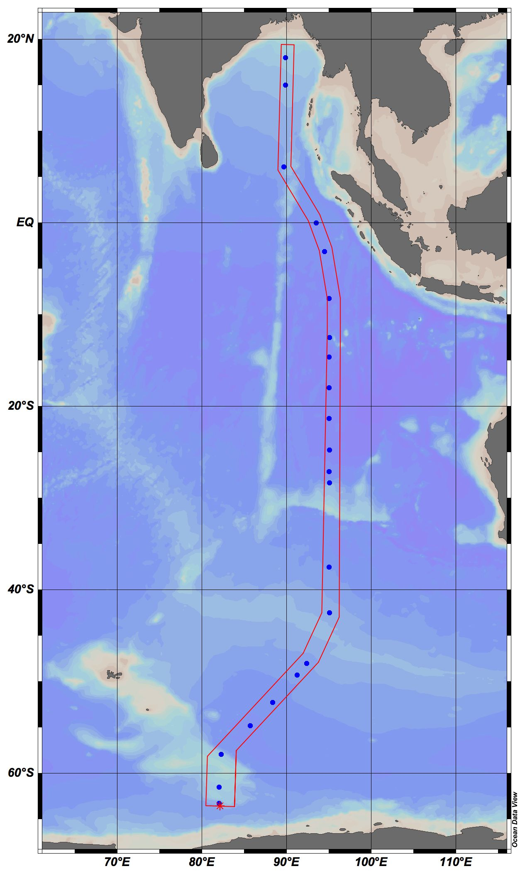
DNA_ID | CRUISE | STATION | TYPE | yyyy-mm-ddThh:mm | Longitude [degrees_east] | Latitude [degrees_north] | BOT DEPTH [METERS] | CTDPRS [DBAR] | CAST TYPE | CAST NO | NISKIN | DNA VOLUME FILT [mL] | comments
I8S-S11-N01 | I8S | 11 | B | 2007-02-18 | 82.0114 | -63.259 | -999 | 940 | TRACE METAL | 2 | 1
I8S-S11-N03 | I8S | 11 | B | 2007-02-18 | 82.0114 | -63.259 | -999 | 420 | TRACE METAL | 2 | 3 | 2200
I8S-S11-N05 | I8S | 11 | B | 2007-02-18 | 82.0114 | -63.259 | -999 | 220 | TRACE METAL | 2 | 5 | 2200
I8S-S11-N08 | I8S | 11 | B | 2007-02-18 | 82.0114 | -63.259 | -999 | 120 | TRACE METAL | 2 | 8 | 2200
I8S-S11-N11 | I8S | 11 | B | 2007-02-18 | 82.0114 | -63.259 | -999 | 40 | TRACE METAL | 2 | 11 | 1000 | filter very dark
I8S-S11-N12 | I8S | 11 | B | 2007-02-18 | 82.0114 | -63.259 | -999 | 20 | TRACE METAL | 2 | 12 | 1000 | filter gummy (zoopl?)
I8S-S15-N01 | I8S | 15 | B | 2007-02-19 | 82.006 | -61.486 | -999 | 979 | TRACE METAL | 3 | 1 | 2200
I8S-S15-N03 | I8S | 15 | B | 2007-02-19 | 82.006 | -61.486 | -999 | 488 | TRACE METAL | 3 | 3 | 2200
I8S-S15-N05 | I8S | 15 | B | 2007-02-19 | 82.006 | -61.486 | -999 | 238 | TRACE METAL | 3 | 5 | 2200
I8S-S15-N08 | I8S | 15 | B | 2007-02-19 | 82.006 | -61.486 | -999 | 104 | TRACE METAL | 3 | 8 | 2200
I8S-S15-N11 | I8S | 15 | B | 2007-02-19 | 82.006 | -61.486 | -999 | 42 | TRACE METAL | 3 | 11 | 1000 | much of sample scraped off on lip
I8S-S15-N12 | I8S | 15 | B | 2007-02-19 | 82.006 | -61.486 | -999 | 21 | TRACE METAL | 3 | 12 | 1000
I8S-S23-N01 | I8S | 23 | B | 2007-02-21 | 82.2268 | -57.915 | -999 | 953 | TRACE METAL | 3 | 1 | 1900
I8S-S23-N03 | I8S | 23 | B | 2007-02-21 | 82.2268 | -57.915 | -999 | 425 | TRACE METAL | 3 | 3 | 1900
I8S-S23-N05 | I8S | 23 | B | 2007-02-21 | 82.2268 | -57.915 | -999 | 221 | TRACE METAL | 3 | 5 | 1900
I8S-S23-N08 | I8S | 23 | B | 2007-02-21 | 82.2268 | -57.915 | -999 | 121 | TRACE METAL | 3 | 8 | 1900
I8S-S23-N11 | I8S | 23 | B | 2007-02-21 | 82.2268 | -57.915 | -999 | 42 | TRACE METAL | 3 | 11 | 1700
I8S-S23-N12 | I8S | 23 | B | 2007-02-21 | 82.2268 | -57.915 | -999 | 21 | TRACE METAL | 3 | 12 | 1700
I8S-S32-N01 | I8S | 32 | B | 2007-02-25 | 85.6701 | -54.791 | -999 | 952.5 | TRACE METAL | 2 | 1 | 2200
I8S-S32-N03 | I8S | 32 | B | 2007-02-25 | 85.6701 | -54.791 | -999 | 425.7 | TRACE METAL | 2 | 3 | 2200
I8S-S32-N05 | I8S | 32 | B | 2007-02-25 | 85.6701 | -54.791 | -999 | 221.4 | TRACE METAL | 2 | 5 | 2200
I8S-S32-N08 | I8S | 32 | B | 2007-02-25 | 85.6701 | -54.791 | -999 | 118.9 | TRACE METAL | 2 | 8 | 2200
I8S-S32-N11 | I8S | 32 | B | 2007-02-25 | 85.6701 | -54.791 | -999 | 41 | TRACE METAL | 2 | 11 | 2162
I8S-S32-N12 | I8S | 32 | B | 2007-02-25 | 85.6701 | -54.791 | -999 | 17.2 | TRACE METAL | 2 | 12 | 2098
I8S-S38-N01 | I8S | 38 | B | 2007-02-27 | 88.3034 | -52.251 | -999 | 949.1 | TRACE METAL | 2 | 1 | 2200
I8S-S38-N03 | I8S | 38 | B | 2007-02-27 | 88.3034 | -52.251 | -999 | 424.2 | TRACE METAL | 2 | 3 | 2200
I8S-S38-N05 | I8S | 38 | B | 2007-02-27 | 88.3034 | -52.251 | -999 | 224.2 | TRACE METAL | 2 | 5 | 2200
I8S-S38-N08 | I8S | 38 | B | 2007-02-27 | 88.3034 | -52.251 | -999 | 121.4 | TRACE METAL | 2 | 8 | 2200
I8S-S38-N11 | I8S | 38 | B | 2007-02-27 | 88.3034 | -52.251 | -999 | 41 | TRACE METAL | 2 | 11 | 2200
I8S-S38-N12 | I8S | 38 | B | 2007-02-27 | 88.3034 | -52.251 | -999 | 21.8 | TRACE METAL | 2 | 12 | ND | did not collect, 100m mixed lyr
I8S-S45-N23 | I8S | 45 | B | 2007-03-01 | 91.2197 | -49.282 | -999 | 485 | R | 1 | 23 | 2200
I8S-S45-N25 | I8S | 45 | B | 2007-03-01 | 91.2197 | -49.282 | -999 | 385 | R | 1 | 25 | 2200
I8S-S45-N29 | I8S | 45 | B | 2007-03-01 | 91.2197 | -49.282 | -999 | 185 | R | 1 | 29 | 2200
I8S-S45-N32 | I8S | 45 | B | 2007-03-01 | 91.2197 | -49.282 | -999 | 85 | R | 1 | 32 | 1800
I8S-S45-N33 | I8S | 45 | B | 2007-03-01 | 91.2197 | -49.282 | -999 | 40 | R | 1 | 33 | 1800
I8S-S45-N35 | I8S | 45 | B | 2007-03-01 | 91.2197 | -49.282 | -999 | 0 | R | 1 | 35 | 1800
I8S-S48-N01 | I8S | 48 | B | 2007-03-02 | 92.3495 | -47.994 | -999 | 982.5 | TRACE METAL | 2 | 1 | 2200
I8S-S48-N03 | I8S | 48 | B | 2007-03-02 | 92.3495 | -47.994 | -999 | 491.6 | TRACE METAL | 2 | 3 | 2200
I8S-S48-N05 | I8S | 48 | B | 2007-03-02 | 92.3495 | -47.994 | -999 | 235.2 | TRACE METAL | 2 | 5 | 2200 | small lint particle on filter
I8S-S48-N08 | I8S | 48 | B | 2007-03-02 | 92.3495 | -47.994 | -999 | 106.8 | TRACE METAL | 2 | 8 | 2200
I8S-S48-N11 | I8S | 48 | B | 2007-03-02 | 92.3495 | -47.994 | -999 | 40.4 | TRACE METAL | 2 | 11 | 1800
I8S-S48-N12 | I8S | 48 | B | 2007-03-02 | 92.3495 | -47.994 | -999 | 22.3 | TRACE METAL | 2 | 12 | 1750
I8S-S60-N01 | I8S | 60 | B | 2007-03-05 | 95.0097 | -42.512 | -999 | 983 | TRACE METAL | 1 | 1 | 2200
I8S-S60-N03 | I8S | 60 | B | 2007-03-05 | 95.0097 | -42.512 | -999 | 492 | TRACE METAL | 1 | 3 | 2200
I8S-S60-N05 | I8S | 60 | B | 2007-03-05 | 95.0097 | -42.512 | -999 | 242 | TRACE METAL | 1 | 5 | 2200
I8S-S60-N08 | I8S | 60 | B | 2007-03-05 | 95.0097 | -42.512 | -999 | 107 | TRACE METAL | 1 | 8 | 2200
I8S-S60-N11 | I8S | 60 | B | 2007-03-05 | 95.0097 | -42.512 | -999 | 42.3 | TRACE METAL | 1 | 11 | 1300
I8S-S60-N12 | I8S | 60 | B | 2007-03-05 | 95.0097 | -42.512 | -999 | 20.5 | TRACE METAL | 1 | 12 | 1200
I8S-S70-N01 | I8S | 70 | B | 2007-03-08 | 94.9892 | -37.494 | -999 | 1021 | TRACE METAL | 1 | 1 | 1400 | PART SPILLED
I8S-S70-N03 | I8S | 70 | B | 2007-03-08 | 94.9892 | -37.494 | -999 | 710 | TRACE METAL | 1 | 3 | 2000
I8S-S70-N05 | I8S | 70 | B | 2007-03-08 | 94.9892 | -37.494 | -999 | 306 | TRACE METAL | 1 | 5 | 2000
I8S-S70-N08 | I8S | 70 | B | 2007-03-08 | 94.9892 | -37.494 | -999 | 103 | TRACE METAL | 1 | 8 | 2000
I8S-S70-N11 | I8S | 70 | B | 2007-03-08 | 94.9892 | -37.494 | -999 | 37.2 | TRACE METAL | 1 | 11 | 1300
I8S-S70-N12 | I8S | 70 | B | 2007-03-08 | 94.9892 | -37.494 | -999 | 20.8 | TRACE METAL | 1 | 12 | 1100
I8S-S88-N01 | I8S | 88 | B | 2007-03-13 | 95.0083 | -28.318 | -999 | 1013 | TRACE METAL | 2 | 1 | 2200
I8S-S88-N03 | I8S | 88 | B | 2007-03-13 | 95.0083 | -28.318 | -999 | 507 | TRACE METAL | 2 | 3 | 2200
I8S-S88-N05 | I8S | 88 | B | 2007-03-13 | 95.0083 | -28.318 | -999 | 223 | TRACE METAL | 2 | 5 | 2200
I8S-S88-N08 | I8S | 88 | B | 2007-03-13 | 95.0083 | -28.318 | -999 | 103 | TRACE METAL | 2 | 8 | 2045
I8S-S88-N11 | I8S | 88 | B | 2007-03-13 | 95.0083 | -28.318 | -999 | 33 | TRACE METAL | 2 | 11 | 2200
I8S-S88-N12 | I8S | 88 | B | 2007-03-13 | 95.0083 | -28.318 | -999 | 21 | TRACE METAL | 2 | 12 | 2060
I9N-S91-N01 | I9N | 91 | B | 2007-03-27 | 95.0016 | -27.108 | -999 | 970 | TRACE METAL | 2 | 1 |  | DNA EXTRACTED 4/21/07 EW
I9N-S91-N03 | I9N | 91 | B | 2007-03-27 | 95.0016 | -27.108 | -999 | 484 | TRACE METAL | 2 | 3 |  | DNA EXTRACTED 4/21/07 EW
I9N-S91-N06 | I9N | 91 | B | 2007-03-27 | 95.0016 | -27.108 | -999 | 185 | TRACE METAL | 2 | 6 |  | DNA EXTRACTED 4/21/07 EW
I9N-S91-N08 | I9N | 91 | B | 2007-03-27 | 95.0016 | -27.108 | -999 | 105 | TRACE METAL | 2 | 8 |  | DNA EXTRACTED 4/21/07 EW
I9N-S91-N10 | I9N | 91 | B | 2007-03-27 | 95.0016 | -27.108 | -999 | 64 | TRACE METAL | 2 | 10 |  | DNA EXTRACTED 4/21/07 EW
I9N-S91-N12 | I9N | 91 | B | 2007-03-27 | 95.0016 | -27.108 | -999 | 19 | TRACE METAL | 2 | 12 |  | DNA EXTRACTED 4/21/07 EW
I9N-S95-N01 | I9N | 95 | B | 2007-03-28 | 95.0137 | -24.732 | -999 | 1000 | TRACE METAL | 1 | 1 |  | DNA EXTRACTED 4/21/07 EW
I9N-S95-N03 | I9N | 95 | B | 2007-03-28 | 95.0137 | -24.732 | -999 | 500 | TRACE METAL | 1 | 3 |  | DNA EXTRACTED 4/21/07 EW
I9N-S95-N06 | I9N | 95 | B | 2007-03-28 | 95.0137 | -24.732 | -999 | 150 | TRACE METAL | 1 | 6 |  | DNA EXTRACTED 4/21/07 EW
I9N-S95-N08 | I9N | 95 | B | 2007-03-28 | 95.0137 | -24.732 | -999 | 100 | TRACE METAL | 1 | 8 |  | DNA EXTRACTED 4/21/07 EW
I9N-S95-N10 | I9N | 95 | B | 2007-03-28 | 95.0137 | -24.732 | -999 | 50 | TRACE METAL | 1 | 10 |  | DNA EXTRACTED 4/21/07 EW
I9N-S95-N12 | I9N | 95 | B | 2007-03-28 | 95.0137 | -24.732 | -999 | 20 | TRACE METAL | 1 | 12 |  | DNA EXTRACTED 4/21/07 EW
I9N-S101-N01 | I9N | 101 | B | 2007-03-30 | 95.0014 | -21.317 | -999 | 1000 | TRACE METAL | 2 | 1 |  | DNA EXTRACTED 4/21/07 EW
I9N-S101-N03 | I9N | 101 | B | 2007-03-30 | 95.0014 | -21.317 | -999 | 499 | TRACE METAL | 2 | 3 |  | DNA EXTRACTED 4/21/07 EW
I9N-S101-N06 | I9N | 101 | B | 2007-03-30 | 95.0014 | -21.317 | -999 | 151 | TRACE METAL | 2 | 6 |  | DNA EXTRACTED 4/21/07 EW
I9N-S101-N08 | I9N | 101 | B | 2007-03-30 | 95.0014 | -21.317 | -999 | 99 | TRACE METAL | 2 | 8 |  | DNA EXTRACTED 4/21/07 EW
I9N-S101-N10 | I9N | 101 | B | 2007-03-30 | 95.0014 | -21.317 | -999 | 49 | TRACE METAL | 2 | 10 |  | DNA EXTRACTED 4/21/07 EW
I9N-S101-N12 | I9N | 101 | B | 2007-03-30 | 95.0014 | -21.317 | -999 |  | TRACE METAL | 2 | 12 | ND | no water available, not collected.
I9N-S107-N01 | I9N | 107 | B | 2007-04-01 | 95.0028 | -17.963 | -999 | 1000 | TRACE METAL | 2 | 1 |  | DNA EXTRACTED 4/21/07 EW
I9N-S107-N03 | I9N | 107 | B | 2007-04-01 | 95.0028 | -17.963 | -999 | 500 | TRACE METAL | 2 | 3 |  | DNA EXTRACTED 4/21/07 EW
I9N-S107-N06 | I9N | 107 | B | 2007-04-01 | 95.0028 | -17.963 | -999 | 150 | TRACE METAL | 2 | 6 |  | DNA EXTRACTED 4/21/07 EW
I9N-S107-N08 | I9N | 107 | B | 2007-04-01 | 95.0028 | -17.963 | -999 | 100 | TRACE METAL | 2 | 8 |  | DNA EXTRACTED 4/21/07 EW
I9N-S107-N10 | I9N | 107 | B | 2007-04-01 | 95.0028 | -17.963 | -999 | 50 | TRACE METAL | 2 | 10 |  | DNA EXTRACTED 4/21/07 EW
I9N-S107-N12 | I9N | 107 | B | 2007-04-01 | 95.0028 | -17.963 | -999 | 20 | TRACE METAL | 2 | 12 |  | DNA EXTRACTED 4/21/07 EW
I9N-S113-N01 | I9N | 113 | B | 2007-04-03 | 94.9999 | -14.633 | -999 | 1000 | TRACE METAL | 2 | 1 |  | DNA EXTRACTED 4/22/07 EW
I9N-S113-N03 | I9N | 113 | B | 2007-04-03 | 94.9999 | -14.633 | -999 | 500 | TRACE METAL | 2 | 3 |  | DNA EXTRACTED 4/22/07 EW
I9N-S113-N06 | I9N | 113 | B | 2007-04-03 | 94.9999 | -14.633 | -999 | 150 | TRACE METAL | 2 | 6 |  | DNA EXTRACTED 4/22/07 EW
I9N-S113-N08 | I9N | 113 | B | 2007-04-03 | 94.9999 | -14.633 | -999 | 100 | TRACE METAL | 2 | 8 |  | DNA EXTRACTED 4/22/07 EW
I9N-S113-N10 | I9N | 113 | B | 2007-04-03 | 94.9999 | -14.633 | -999 | 50 | TRACE METAL | 2 | 10 |  | DNA EXTRACTED 4/22/07 EW
I9N-S113-N12 | I9N | 113 | B | 2007-04-03 | 94.9999 | -14.633 | -999 | 20 | TRACE METAL | 2 | 12 |  | DNA EXTRACTED 4/22/07 EW
I9N-S117-N01 | I9N | 117 | B | 2007-04-04 | 95.007 | -12.484 | -999 | 1450 | TRACE METAL | 1 | 1 |  | DNA EXTRACTED 4/22/07 EW
I9N-S117-N03 | I9N | 117 | B | 2007-04-04 | 95.007 | -12.484 | -999 | 800 | TRACE METAL | 1 | 3 |  | DNA EXTRACTED 4/22/07 EW
I9N-S117-N06 | I9N | 117 | B | 2007-04-04 | 95.007 | -12.484 | -999 | 240 | TRACE METAL | 1 | 6 |  | DNA EXTRACTED 4/22/07 EW
I9N-S117-N08 | I9N | 117 | B | 2007-04-04 | 95.007 | -12.484 | -999 | 135 | TRACE METAL | 1 | 8 |  | DNA EXTRACTED 4/22/07 EW
I9N-S117-N10 | I9N | 117 | B | 2007-04-04 | 95.007 | -12.484 | -999 | 70 | TRACE METAL | 1 | 10 |  | DNA EXTRACTED 4/22/07 EW
I9N-S117-N12 | I9N | 117 | B | 2007-04-04 | 95.007 | -12.484 | -999 | 20 | TRACE METAL | 1 | 12 |  | DNA EXTRACTED 4/22/07 EW. SLB buffer leaked out? Empty when came out of freezer to extract…
I9N-S125-N01 | I9N | 125 | B | 2007-04-07 | 95.0025 | -8.219 | -999 | 1000 | TRACE METAL | 2 | 1 |  | DNA EXTRACTED 4/22/07 EW
I9N-S125-N03 | I9N | 125 | B | 2007-04-07 | 95.0025 | -8.219 | -999 | 500 | TRACE METAL | 2 | 3 |  | DNA EXTRACTED 4/22/07 EW
I9N-S125-N06 | I9N | 125 | B | 2007-04-07 | 95.0025 | -8.219 | -999 | 150 | TRACE METAL | 2 | 6 |  | DNA EXTRACTED 4/22/07 EW
I9N-S125-N08 | I9N | 125 | B | 2007-04-07 | 95.0025 | -8.219 | -999 | 100 | TRACE METAL | 2 | 8 |  | DNA EXTRACTED 4/22/07 EW
I9N-S125-N10 | I9N | 125 | B | 2007-04-07 | 95.0025 | -8.219 | -999 | 50 | TRACE METAL | 2 | 10 |  | DNA EXTRACTED 4/22/07 EW
I9N-S125-N12 | I9N | 125 | B | 2007-04-07 | 95.0025 | -8.219 | -999 | 15 | TRACE METAL | 2 | 12 |  | DNA EXTRACTED 4/22/07 EW
I9N-S135-N01 | I9N | 135 | B | 2007-04-10 | 94.4249 | -3.13 | -999 | 940 | TRACE METAL | 2 | 1 |  | DNA EXTRACTED 4/22/07 EW
I9N-S135-N03 | I9N | 135 | B | 2007-04-10 | 94.4249 | -3.13 | -999 | 420 | TRACE METAL | 2 | 3 |  | DNA EXTRACTED 4/22/07 EW
I9N-S135-N06 | I9N | 135 | B | 2007-04-10 | 94.4249 | -3.13 | -999 | 169 | TRACE METAL | 2 | 6 |  | DNA EXTRACTED 4/22/07 EW
I9N-S135-N08 | I9N | 135 | B | 2007-04-10 | 94.4249 | -3.13 | -999 | 121 | TRACE METAL | 2 | 8 |  | DNA EXTRACTED 4/22/07 EW
I9N-S135-N10 | I9N | 135 | B | 2007-04-10 | 94.4249 | -3.13 | -999 | 70 | TRACE METAL | 2 | 10 |  | DNA EXTRACTED 4/22/07 EW
I9N-S135-N12 | I9N | 135 | B | 2007-04-10 | 94.4249 | -3.13 | -999 | 18 | TRACE METAL | 2 | 12 |  | DNA EXTRACTED 4/22/07 EW
I9N-S145-N01 | I9N | 145 | B | 2007-04-13 | 93.4413 | 0.001 | -999 | 971 | TRACE METAL | 1 | 1
I9N-S145-N03 | I9N | 145 | B | 2007-04-13 | 93.4413 | 0.001 | -999 | 485 | TRACE METAL | 1 | 3
I9N-S145-N06 | I9N | 145 | B | 2007-04-13 | 93.4413 | 0.001 | -999 | 185 | TRACE METAL | 1 | 6
I9N-S145-N08 | I9N | 145 | B | 2007-04-13 | 93.4413 | 0.001 | -999 | 105 | TRACE METAL | 1 | 8
I9N-S145-N10 | I9N | 145 | B | 2007-04-13 | 93.4413 | 0.001 | -999 | 65 | TRACE METAL | 1 | 10
I9N-S145-N12 | I9N | 145 | B | 2007-04-13 | 93.4413 | 0.001 | -999 | 20 | TRACE METAL | 1 | 12
I9N-S162-N01 | I9N | 162 | B | 2007-04-17 | 89.6287 | 6.12 | -999 | 940 | TRACE METAL | 1 | 1
I9N-S162-N03 | I9N | 162 | B | 2007-04-17 | 89.6287 | 6.12 | -999 | 420 | TRACE METAL | 1 | 3
I9N-S162-N06 | I9N | 162 | B | 2007-04-17 | 89.6287 | 6.12 | -999 | 170 | TRACE METAL | 1 | 6
I9N-S162-N08 | I9N | 162 | B | 2007-04-17 | 89.6287 | 6.12 | -999 | 117 | TRACE METAL | 1 | 8
I9N-S162-N10 | I9N | 162 | B | 2007-04-17 | 89.6287 | 6.12 | -999 | 70 | TRACE METAL | 1 | 10
I9N-S162-N12 | I9N | 162 | B | 2007-04-17 | 89.6287 | 6.12 | -999 | 20 | TRACE METAL | 1 | 12
I9N-S193-N01 | I9N | 193 | B | 2007-04-26 | 89.8497 | 15 | -999 | 940 | TRACE METAL | 1 | 1
I9N-S193-N03 | I9N | 193 | B | 2007-04-26 | 89.8497 | 15 | -999 | 420 | TRACE METAL | 1 | 3
I9N-S193-N06 | I9N | 193 | B | 2007-04-26 | 89.8497 | 15 | -999 | 169 | TRACE METAL | 1 | 6
I9N-S193-N08 | I9N | 193 | B | 2007-04-26 | 89.8497 | 15 | -999 | 120 | TRACE METAL | 1 | 8
I9N-S193-N10 | I9N | 193 | B | 2007-04-26 | 89.8497 | 15 | -999 | 70 | TRACE METAL | 1 | 10
I9N-S193-N12 | I9N | 193 | B | 2007-04-26 | 89.8497 | 15 | -999 | 20 | TRACE METAL | 1 | 12
I9N-S199-N01 | I9N | 199 | B | 2007-04-27 | 89.8511 | 18.003 | -999 | 940 | TRACE METAL | 1 | 1
I9N-S199-N03 | I9N | 199 | B | 2007-04-27 | 89.8511 | 18.003 | -999 | 420 | TRACE METAL | 1 | 3
I9N-S199-N06 | I9N | 199 | B | 2007-04-27 | 89.8511 | 18.003 | -999 | 170 | TRACE METAL | 1 | 6
I9N-S199-N08 | I9N | 199 | B | 2007-04-27 | 89.8511 | 18.003 | -999 | 119 | TRACE METAL | 1 | 8
I9N-S199-N10 | I9N | 199 | B | 2007-04-27 | 89.8511 | 18.003 | -999 | 70 | TRACE METAL | 1 | 10
I9N-S199-N12 | I9N | 199 | B | 2007-04-27 | 89.8511 | 18.003 | -999 | 17 | TRACE METAL | 1 | 12

DNA_extraction_test
CRUISE | STATION | TYPE | yyyy-mm-ddThh:mm | Longitude [degrees_east] | Latitude [degrees_north] | BOT DEPTH [METERS] | CTDPRS[DBARS] | CTDTMP[ITS-90] | CTDSAL[PSS-78] | CAST TYPE | CAST NO | NISKIN | [DNA] qbit 200729 | comments
P16N | 47 | B | 2006-03-14 | -152.0001 | 24.9995 | 5361 | -957.4 | 4.1034 | 34.3907 | TRACE METALS | 3 | 1 | 1.14
P16N | 47 | B | 2006-03-14 | -152.0001 | 24.9995 | 5345 | -553.6 | 7.0714 | 34.0345 | TRACE METALS | 3 | 3 | 1.92
P16N | 47 | B | 2006-03-14 | -152.0001 | 24.9995 | 5361 | -228.7 | 16.8565 | 34.6948 | TRACE METALS | 3 | 5 | 3.4
P16N | 47 | B | 2006-03-14 | -152.0001 | 24.9995 | 5360 | -177.4 | 19.2358 | 34.9562 | TRACE METALS | 3 | 6 | 5.27
P16N | 47 | B | 2006-03-14 | -152.0001 | 24.9995 | 5360 | -106.4 | 21.9777 | 35.2906 | TRACE METALS | 3 | 8 | 8.14
P16N | 47 | B | 2006-03-14 | -152.0001 | 24.9995 | 5371 | -40.2 | 22.023 | 35.2847 | TRACE METALS | 3 | 11 | 13.2
Station 47 CLIVAR P16N (NPSG, near Hawaii)
P16N | 47 | B | 2006-03-14 | -152.0001 | 24.9995 | 5373 | -19.9 | 22.0173 | 35.2853 | TRACE METALS | 3 | 12 | 11.6

